Regression 1st Run
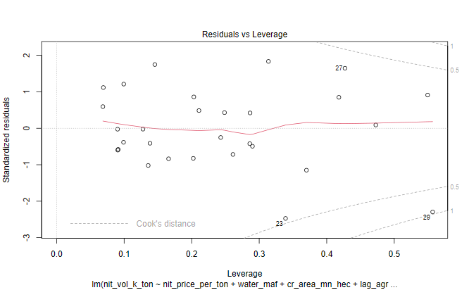
INDEPENDENT LINEAR REGRESSION VARIABLES - PARAMETERS |  |  |  |  |  |  | INDEPENDENT REGRESSION VARIABLES - PARAMETERS
6-VARIABLES |  |  |  |  |  |  | 8-VARIABLES
Table 2.1
 | N Price - X1 | Water - X2 | Cropped Acreage - X3 | Agric GDP - X4 | Agric Credit - X5 | Labour Prody - X6 |  | N Price - X1 | Water - X2 | Cropped Acreage - X3 | Agric GDP - X4 | Agric Credit - X5 | Labour Prody - X6 | Input to Output - X7 | N to P Price - X8
 | PKR / MT | MAF | Mn Ha | Bn USD | Mn PKR | PKR / Ha |  | PKR / MT | MAF | Mn Ha | Bn USD | Mn PKR | PKR / Ha | Ratio | Ratio
Linear Coeff | -0.014 | 16.25 | 103.37 | 75.40 | -0.000091 | 5.40 | Linear Coeff | -0.03 | 10.24 | 119.69 | 77.72 | 0.00006 | 10.04 | -1240.14 | -42.62
Log Linear Elasticity Coeff | -0.22 | 0.13 | 0.41 | 0.28 | 0.03 | 0.19 | Log Linear Elasticity Coeff | -0.25 | -0.06 | 0.33 | 0.27 | 0.04 | 0.19 | -0.07 | -0.03
T-stat | -2.76 | 1.19 | 1.12 | 3.73 | -0.26 | 1.99 | T-stat | -1.96 | 0.63 | 1.16 | 3.54 | 0.13 | 1.78 | -1.11 | -0.036
T-Prob | 0.01 | 0.25 | 0.27 | 0.001 | 0.80 | 0.06 | T-Prob | 0.06 | 0.53 | 0.26 | 0.002 | 0.90 | 0.1 | 0.28 | 0.97
Significant/Non Significant | Significant | Non Significant | Non Significant | Significant | Non Significant | Significant | Significant/Non Significant | Significant | Non Significant | Non Significant | Significant | Non Significant | Significant | Non Significant | Non Significant
Confidence Interval (%) | 99% |  |  | 99% |  | 90% | Confidence Interval (%) | 90% |  |  | 99% |  | 95%
F-Ratio | 135.93 | 8.24 | 15.60 | 29.43 | 3.68 | 3.96 | F-Ratio | 131.23 | 7.96 | 15.06 | 28.42 | 3.55 | 3.82 | 1.24 | 0.00
F-Prob | 0.00 | 0.01 | 0.00 | 0.00 | 0.07 | 0.06 | F-Prob | 0.00 | 0.01 | 0.00 | 0.00 | 0.07 | 0.06 | 0.28 | 0.97
Significant/Non Significant | Significant | Significant | Significant | Significant | Significant | Significant | Significant/Non Significant | Significant | Significant | Significant | Significant | Significant | Significant | Non Significant | Non Significant
Confidence Interval (%) | 99% | 99% | 99% | 99% | 90% | 90% | Confidence Interval (%) | 99% | 99% | 99% | 99% | 90% | 90%
Median | 25260.9 | 133.8 | 23.0 | 16.6 | 211561.0 | 45.8 | Median | 25260.87 | 133.78 | 23.01 | 16.65 | 211561.00 | 45.75 | 0.97 | 0.38
Standard Deviation (SD) | 28627.4 | 4.3 | 0.7 | 7.9 | 441331.5 | 65.5 | Standard Deviation (SD) | 28627.37 | 4.35 | 0.67 | 7.85 | 441331.53 | 65.45 | 0.16 | 0.08

R2 of Function | 0.90 |  |  |  |  |  | R2 of Function | 0.91
DW Watson Test | Autocorrelation | Statistic | P-value | Conclusion
 | -0.18 | 2.24 | 0.79 | Weak Negative AC
White Test |  | 3.95 | 0.14 | Errors are homoscedastic
Shapiro Test |  | 0.98 | 0.84 | Errors distributed normally

INDEPENDENT REGRESSION LOG VARIABLES - PARAMETERS |  |  |  |  |  |  | INDEPENDENT REGRESSION LOG VARIABLES - PARAMETERS
6-VARIABLES |  |  |  |  |  |  | 8-VARIABLES

 | N Price - X1 | Water - X2 | Cropped Acreage - X3 | Agric GDP - X4 | Agric Credit - X5 | Labour Prody - X6 |  | N Price - X1 | Water - X2 | Cropped Acreage - X3 | Agric GDP - X4 | Agric Credit - X5 | Labour Prody - X6 | Input to Output - X7 | N to P Price - X8
 | PKR / MT | MAF | Mn Ha | Bn USD | Mn PKR | PKR / Ha |  | PKR / MT | MAF | Mn Ha | Bn USD | Mn PKR | PKR / Ha | Ratio | Ratio
Log Linear Elasticity Coeff | -0.22 | 0.13 | 0.41 | 0.28 | 0.03 | 0.19 | Log Linear Elasticity Coeff | -0.25 | -0.06 | 0.33 | 0.27 | 0.04 | 0.19 | -0.07 | -0.03
T-stat | -2.93 | 0.27 | 0.58 | 1.86 | 0.52 | 2.47 | T-stat | -1.82 | -0.09 | 0.41 | 1.64 | 0.63 | 1.88 | -0.36 | -0.34
T-Prob | 0.01 | 0.79 | 0.57 | 0.08 | 0.61 | 0.02 | T-Prob | 0.08 | 0.93 | 0.68 | 0.12 | 0.53 | 0.07 | 0.72 | 0.74
Significant/Non Significant | Significant | Non Significant | Non Significant | Significant | Non Significant | Significant | Significant/Non Significant | Significant | Non Significant | Non Significant | Non Significant | Non Significant | Significant | Non Significant | Non Significant
Confidence Interval (%) | 99% |  |  | 90% |  | 95% | Confidence Interval (%) | 90% |  |  |  |  | 90%
F-Ratio | 270.23 | 7.87 | 11.51 | 26.26 | 9.39 | 6.09 | F-Ratio | 247.72 | 7.21 | 10.55 | 24.07 | 8.61 | 5.58 | 0.05 | 0.12
F-Prob | 7.67E-14 | 1.03E-02 | 2.62E-03 | 3.90E-05 | 5.68E-03 | 2.19E-02 | F-Prob | 0.00 | 0.01 | 0.0040 | 8.52E-05 | 0.01 | 0.03 | 0.82 | 0.74
Significant/Non Significant | Significant | Significant | Significant | Significant | Significant | Significant | Significant/Non Significant | Significant | Significant | Significant | Significant | Significant | Significant | Non Significant | Non Significant
Confidence Interval (%) | 99% | 99% | 99% | 99% | 99% | 99% | Confidence Interval (%) | 99% | 99% | 99% | 99% | 99% | 95%
Durbin Watson Coeff |  |  |  |  |  |  | Durbin Watson Coeff
White Test Coeff |  |  |  |  |  |  | White Test Coeff
Median | 10.14 | 4.90 | 3.14 | 2.81 | 12.26 | 3.82 | Median | 10.14 | 4.90 | 3.14 | 2.81 | 12.26 | 3.82 | -0.03 | -0.98
Standard Deviation (SD) | 0.77 | 0.03 | 0.03 | 0.48 | 1.43 | 1.10 | Standard Deviation (SD) | 0.77 | 0.03 | 0.03 | 0.48 | 1.43 | 1.10 | 0.18 | 0.27

R2 of Function | 0.94 |  |  |  |  |  | R2 of Function | 0.94

INDEPENDENT REGRESSION LIN LOG VARIABLES - PARAMETERS |  |  |  |  |  |  | INDEPENDENT REGRESSION LIN LOG VARIABLES - PARAMETERS
6-VARIABLES |  |  |  |  |  |  | 8-VARIABLES

 | N Price - X1 | Water - X2 | Cropped Acreage - X3 | Agric GDP - X4 | Agric Credit - X5 | Labour Prody - X6 |  | N Price - X1 | Water - X2 | Cropped Acreage - X3 | Agric GDP - X4 | Agric Credit - X5 | Labour Prody - X6 | Input to Output - X7 | N to P Price - X8
 | PKR / MT | MAF | Mn Ha | Bn USD | Mn PKR | PKR / Ha |  | PKR / MT | MAF | Mn Ha | Bn USD | Mn PKR | PKR / Ha | Ratio | Ratio
Lin Log Elasticity Coeff | -618.80 | -858.10 | 586.20 | 732.30 | 114.20 | 496.70 | Lin Log Elasticity Coeff | -398.00 | -435.80 | -166.40 | 689.50 | 133.50 | 337.80 | 213.50 | -133.20
T-stat | -2.91 | -0.64 | 0.30 | 1.73 | 0.73 | 2.29 | T-stat | -1.05 | -0.22 | -0.07 | 1.54 | 0.69 | 1.19 | 0.41 | -0.52
T-Prob | 0.01 | 0.53 | 0.77 | 0.10 | 0.48 | 0.03 | T-Prob | 0.31 | 0.83 | 0.94 | 0.14 | 0.50 | 0.25 | 0.69 | 0.61
Significant/Non Significant | Significant | Non Significant | Non Significant | Significant | Non Significant | Significant | Significant/Non Significant | Non Significant | Non Significant | Non Significant | Non Significant | Non Significant | Non Significant | Non Significant | Non Significant
Confidence Interval (%) | 99% |  |  | 90% |  | 95% | Confidence Interval (%)
F-Ratio | 237.52 | 2.33 | 9.85 | 25.00 | 10.15 | 5.24 | F-Ratio | 224.92 | 2.21 | 9.33 | 23.67 | 9.61 | 4.96 | 0.56 | 0.27
F-Prob | 2.846E-13 | 0.14 | 0.0048 | 5.27E-05 | 0.0043 | 0.032 | F-Prob | 2.415E-12 | 0.15 | 0.01 | 9.38E-05 | 0.01 | 0.04 | 0.46 | 0.61
Significant/Non Significant | Significant | Non Significant | Significant | Significant | Significant | Significant | Significant/Non Significant | Significant | Non Significant | Significant | Significant | Significant | Significant | Non Significant | Non Significant
Confidence Interval (%) | 99% |  | 99% | 99% | 99% | 95% | Confidence Interval (%) | 99% |  | 99% | 99% | 99% | 95%
Durbin Watson Coeff |  |  |  |  |  |  | Durbin Watson Coeff
White Test Coeff |  |  |  |  |  |  | White Test Coeff
Median | 10.14 | 4.90 | 3.14 | 2.81 | 12.26 | 3.82 | Median | 10.14 | 4.90 | 3.14 | 2.81 | 12.26 | 3.82 | -0.03 | -0.98
Standard Deviation (SD) | 0.77 | 0.03 | 0.03 | 0.48 | 1.43 | 1.10 | Standard Deviation (SD) | 0.77 | 0.03 | 0.03 | 0.48 | 1.43 | 1.10 | 0.18 | 0.27

R2 of Function | 0.93 |  |  |  |  |  | R2 of Function

INDEPENDENT LINEAR REGRESSION MODEL DIAGONISTICS

Plot 2.1: Actual Vs Fitted Values

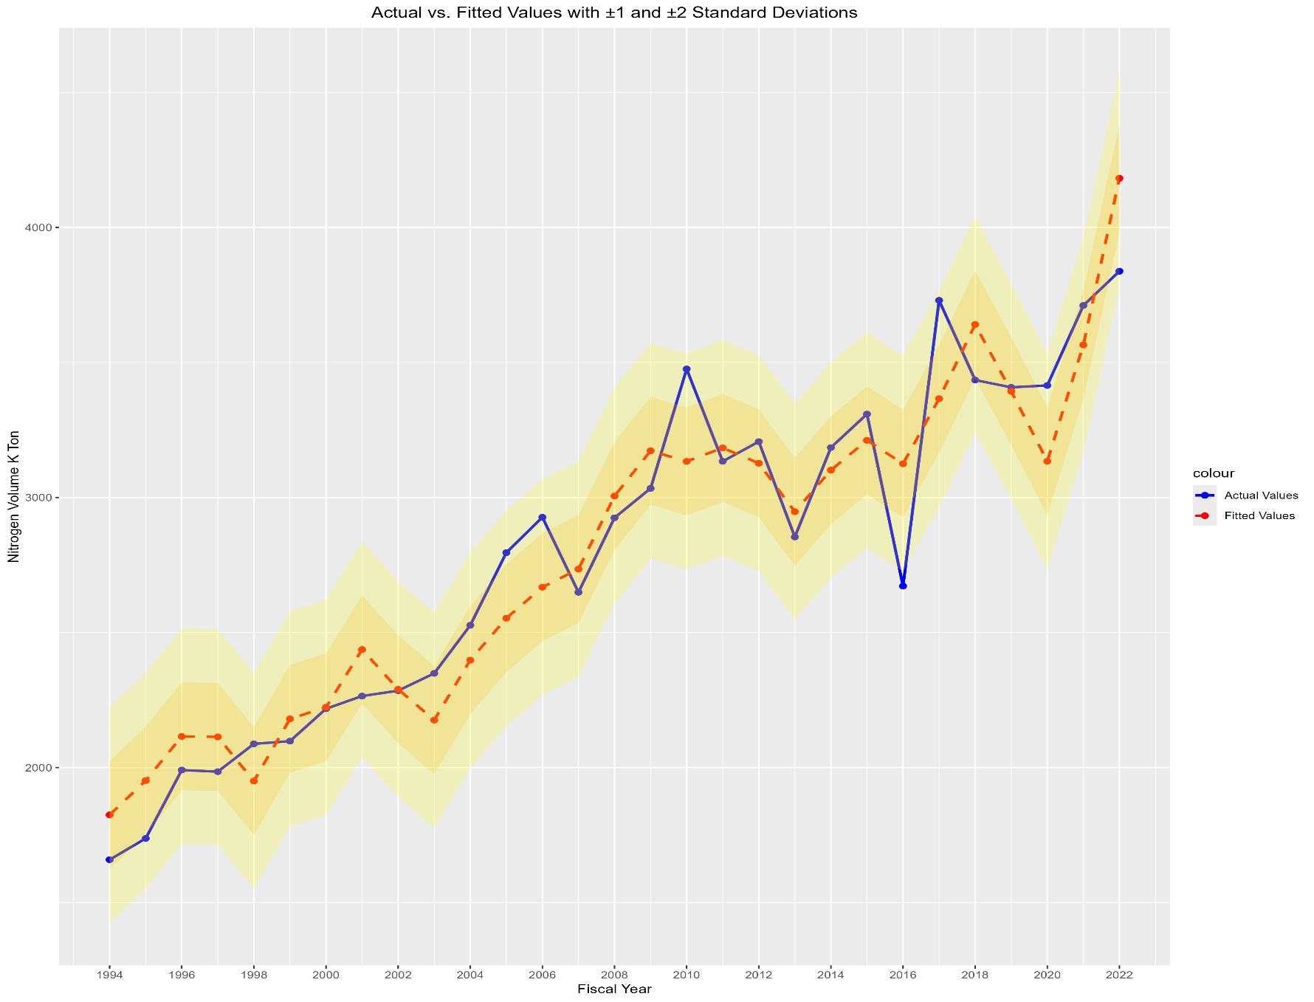

Plot 2.2: Residual Over time
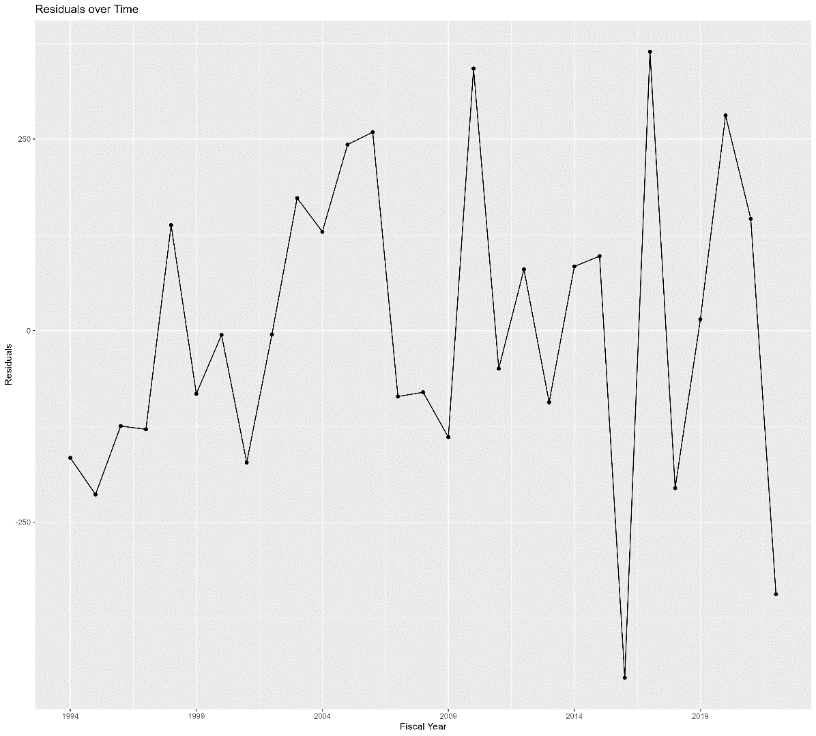

Plot 2.3: Residual QQ Plot

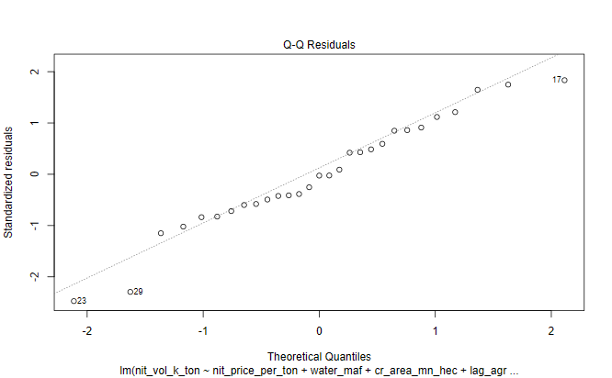

Plot 2.4: Histogram of Residuals

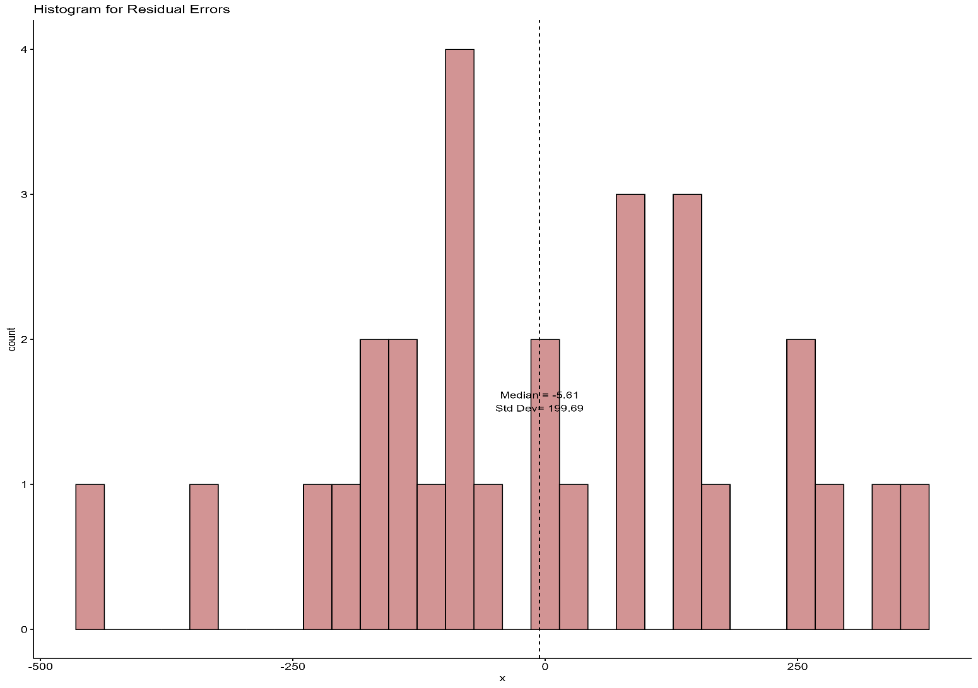

Plot 2.5: ACF Plot of Residuals

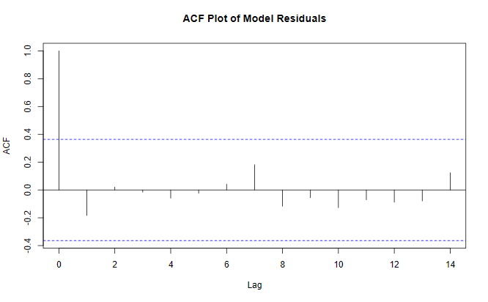

Plot 2.6: Residuals Vs Fitted Values

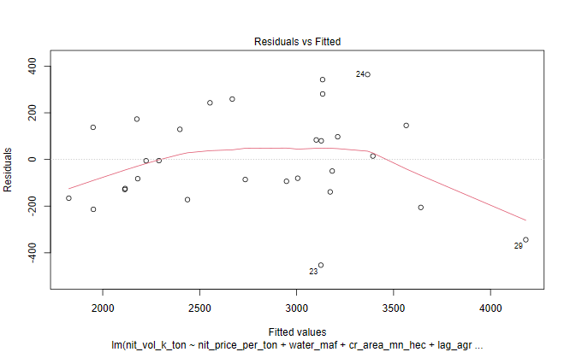

Plot 2.7: Scale Location Plot of Standardized Residuals

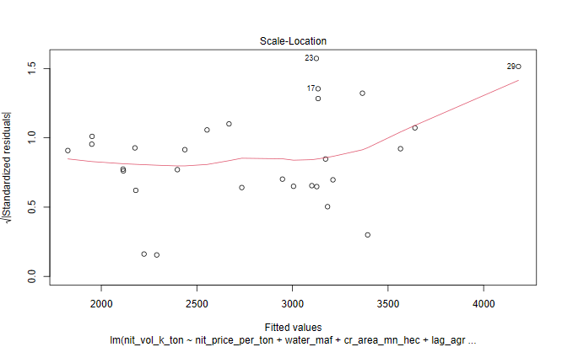

Plot 2.8: Cook's Distance Plot

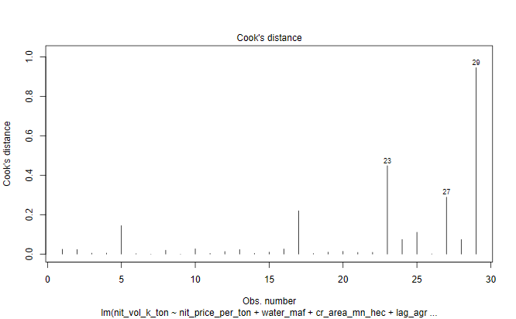

Plot 2.9: Residual Vs Leverage Plot

